Sheet1
E
G
F
Phi | 1.6180339887
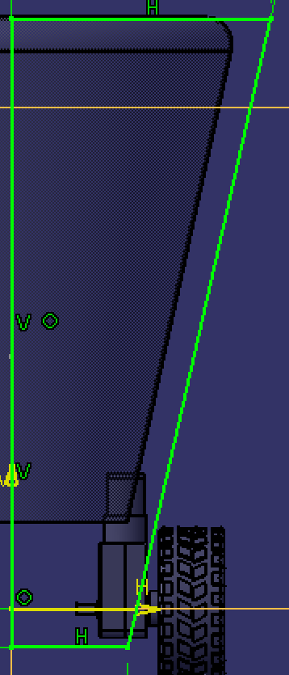
1/Phi | 0.61803398875 |  | AD | 828.17236074 |  | 309.02348578
 |  |  | AC | 511.83866748
 |  |  | CD=AB | 316.33369326
 |  |  | BC (Base) | 195.50497422 |  | BC/GH | 0.40162283177 | (Base/Height)
 |  |  | AH (AD/2) | 414.08618037 |  | EF/GH | 1.0514622242 | (Top/Height)
 |  |  | Inside Hex Angle | 108 | deg.
 |  |  | EF=AI=AH/sin(Inside Angle/2): | 511.83866748 |  | EF/AD | 0.61803 | (Top/AD = 1/Phi)
 |  |  | HI=AH * tan(Inside Angle/2) | 300.85
 |  |  |  |  |  | EF/BC) | 2.6180339887 | (Top/Base = Phi + 1)
 |  | 828.17 | FI=AD | CI | 316.33
 |  | 511.83866748 | EF | BC | 195.50497422

H
 |  | 300.85 | HI | GI | 787.64 |  | 0.225 | 4.4444444444
 |  | 97.75 | HC (BC/2) | GF (EF/2) | 255.92
 |  |  |  |  |  |  | Fore-Aft
B
D
 |  |  | GH (Height) =GI-HI | 486.8 |  |  | Bottom | 45
A
C
 |  |  |  |  |  |  | Top | 117.81152949
 |  |  | Wheel Diameter: | 65 |  |  | F/A Thickness Increase/ Unit Height | 0.14957559406
 |  |  | Shelf Thickness: | 5
 |  |  | Wall Thickness: | 5
 |  |  | Arm Length: | 245.0
 |  |  | Opposite Side of Shelf to Axle Centerline: | 19.29
 |  |  | Bearing Height: | 28.58

I
 |  |  | Dist. From Ground | Width at Height |  |  | Dist. From Bottom | Dist. From Axle | Width of Shelf | Fore-Aft Width | Fore-Aft Shelf Width
 |  |  | 0.0 | 195.5 | Ground |  | -13.2 | -32.5 | 185.5 | 43.1 | 33.1
 |  |  | 13.2 | 195.5 | Bot./Lower Shelf, Bot. |  | 0.0 | -19.3 | 185.5 | 54.6 | 44.6
HI_Calc: | 263.8 |  | 18.2 | 198.8 | Lower Shelf, Top |  | 5.0 | -14.3 | 188.8 | 55.0 | 45.0
 |  |  | 32.5 | 208.0 | Axle |  | 19.3 | 0.0 | 198.0 | 64.4 | 54.4
 |  |  | 250.0 | 349.4 | Arm Pivot |  | 236.8 | 217.5 | 339.4 | 207.0 | 197.0
 |  |  | 269.3 | 361.9 | Middle Shelf |  | 256.1 | 236.8 | 351.9 | 219.6 | 209.6
 |  |  | 440.0 | 472.8 | Top Shelf |  | 426.8 | 407.5 | 462.8 | 331.6 | 321.6
 |  | 500 | 500.0 | 511.8 | Top |  | 486.8 | 467.5 | 501.8 | 370.9 | 360.9

 |  |  | Cone Angle: | = acos(GI/FI)
 |  |  |  | 18.00 | deg.

 |  |  |  | mm
 | Given: |  | GH (Height): | 1

 | Results: |  | EF (Head): | 1.05146
 |  |  | BC (Base): | 0.40162
 |  |  | AD: | 1.7013016167

